By Country - Chart
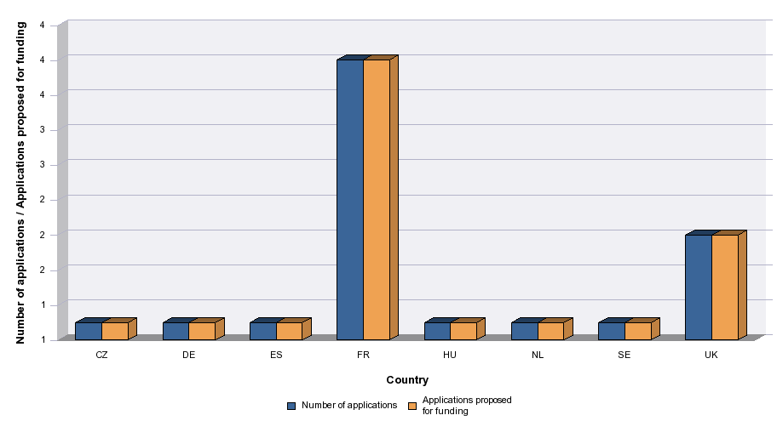
 | VOD | 2016

Level of demand - Chart
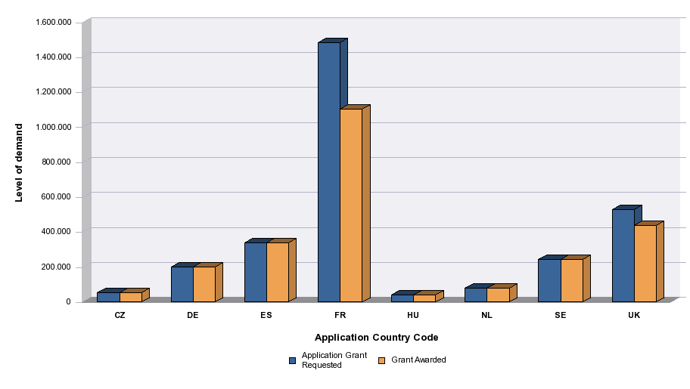
 | VOD | 2016

