By Country - Chart
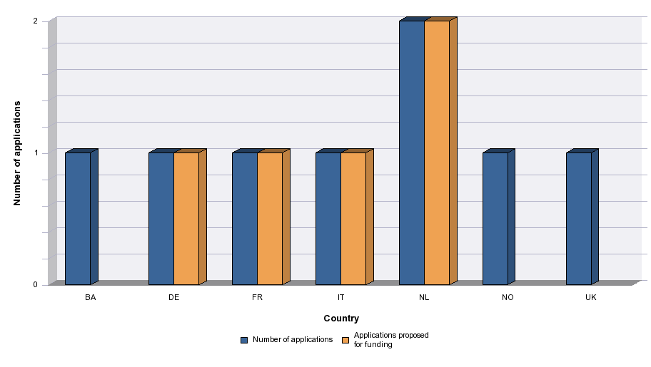
 | Co-production funds | 2015

Level of demand - Chart
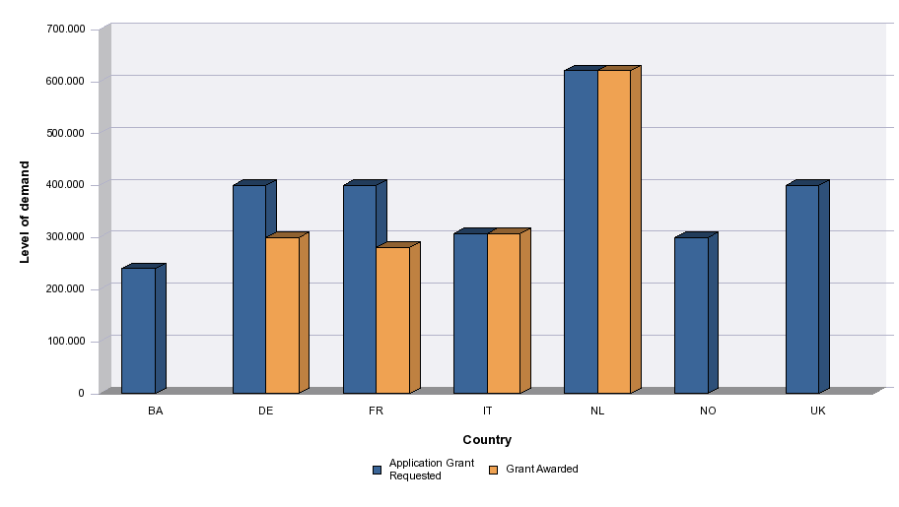
 | Co-production funds | 2015

